Welcome

Introduction to Excel Dynamic Arrays
 | By Neale Blackwood
Audio Settings
PC audio recommended
Telephone: Dial (for higher quality, dial a number based on your location): Australia: (08) 7150 1149
(08) 6119 3900
(02) 8015 6011
(03) 7018 2005
(07) 3185 3730
Webinar ID: 836 9881 6833

 |  | Contacts
 |  | a4@iinet.net.au
 |  | www.a4accounting.com.au
 |  | www.excelyourself.com.au
 |  | Twitter = @ExcelYourself
 |  | LinkedIn = Neale Blackwood

Zoom
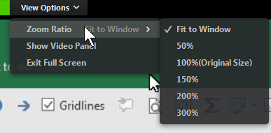
Use these to resize the webinar Window if needed
Top Of Screen

Use these icons to interact with me
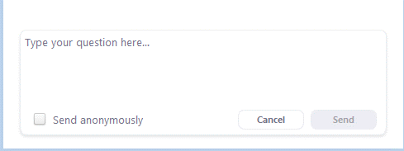
Remember to click Send

Bottom of Screen

Index
Index Sheet

 |  | Dynamic Arrays (Pages 3 to 5) | UNIQUE (Pages 6 to 8) | FILTER (Pages 9 to 12) | SORTing (Pages 13 to 14) | Worked Example (Page 15)
 | Welcome | DA | Unique | FILTER_1 | SORT + SORTBY | Data
 | Index |  | Unique2 | FILTER_2
 |  |  | Unique3 | FILTER_3
 |  |  | Unique4
Press F5 and then Press Enter to return after following a hyperlink.

