COVER
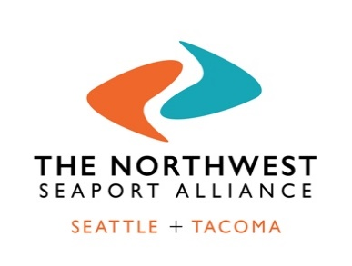

Terminal 5 Uplands Modernization and Rehabilitation Project Final Phase

U.S. DEPARTMENT OF TRANSPORTATION – MARITIME ADMINISTRATION
National Infrastructure Investments
DTOS59-20-RA-BUILD

APPENDIX B1

BENEFIT COST ANALYSIS: BASELINE

 | May 15, 2020

